Sheet1
Cattleya (Flasks) (40Plant/Flask) (Min Order 5 Flasks /Variety )
Item |  | Description | Quantity (Flasks) | Price (U$) | Order | Total
1 | 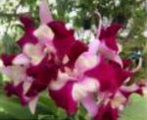 | C. Nakornchaisri Fancy | 40 | $50.00 |  | $0.00
2 | 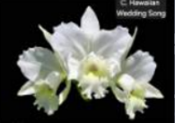 | C. Hawaiian Wedding Song | 40 | $50.00 |  | $0.00
3 | 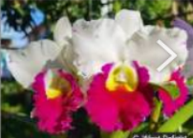 | C. Wirote Delight | 40 | $50.00 |  | $0.00
4 | 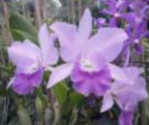 | Ctt. Fitz Eugene Dixon ' Dark Blue | 40 | $50.00 |  | $0.00
5 | 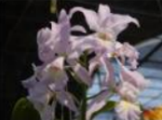 | Cattleya Sea Breeze, | 40 | $50.00 |  | $0.00
6 | 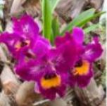 | Meloara Ching Sun Bright Star | 100 | $50.00 |  | $0.00
7 | 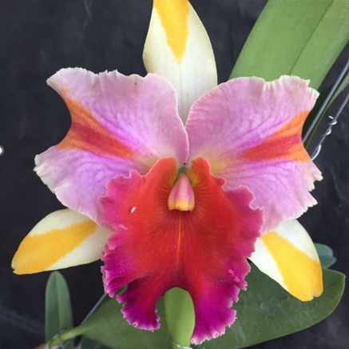 | Rlc. Amazing Thailand 'Rainbow' | 200 | $55.00 |  | $0.00
8 | 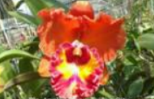 | Rlc. Angkinantana x C. Tainan City | 40 | $55.00 |  | $0.00
9 | 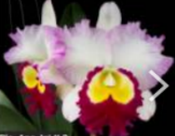 | Rlc. Ann Joi # 2 | 40 | $55.00 |  | $0.00
10 | 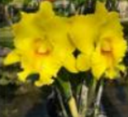 | Rlc. Atadecer Palmoreno ' Thongsuk # 2 | 80 | $55.00 |  | $0.00
11 | 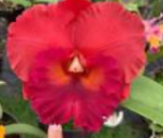 | Rlc. Bangkok Red | 200 | $55.00 |  | $0.00
12 | 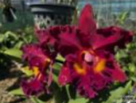 | Rlc. Chao Praya Red | 40 | $55.00 |  | $0.00
13 | 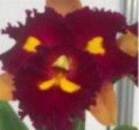 | Rlc. Budai Smile | 100 | $55.00 |  | $0.00
14 | 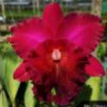 | Rlc. Chia Lin 'New City' | 40 | $55.00 |  | $0.00
15 | 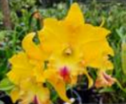 | Rlc. Chao Praya Gold | 80 | $55.00 |  | $0.00
16 | 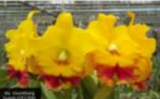 | Rlc. Chomthong Delight 'Joy' | 40 | $55.00 |  | $0.00
17 | 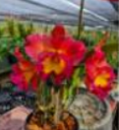 | Rlc. Damrong Diamond 'Dark orange' 2 Stems | 80 | $55.00 |  | $0.00
18 |  | Rlc. Focus Taiwan | 100 | $55.00 |  | $0.00
19 | 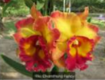 | Rlc. Chomthong Fancy | 40 | $55.00 |  | $0.00
20 | 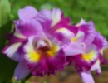 | Rlc. Jaksudul Fancy | 60 | $55.00 |  | $0.00
21 |  | Rlc. Jeramy Island | 60 | $55.00 |  | $0.00
22 |  | Rlc. Louise Stevenson ' STK Delight' | 40 | $55.00 |  | $0.00
23 | 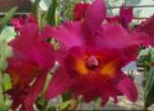 | Rlc. Myanmar Sunset | 40 | $55.00 |  | $0.00
24 | 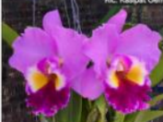 | Rlc. Kasipat Gem | 40 | $55.00 |  | $0.00
25 | 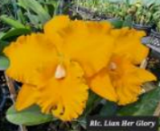 | Rlc. Lian Her Glory | 60 | $55.00 |  | $0.00
26 | 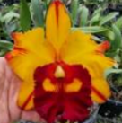 | Rlc. Liu's Joyance | 40 | $55.00 |  | $0.00
27 | 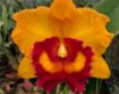 | Rlc. Nakornchaisri Delight # 3 | 40 | $55.00 |  | $0.00
28 | 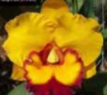 | Rlc. Nakornchaisri Delight 'Sra' | 80 | $55.00 |  | $0.00
29 | 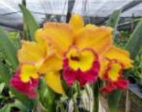 | Rlc. Nonthaburi Fortune 'Asian Harmony' | 100 | $55.00 |  | $0.00
30 |  | Rlc. P. S. Gold | 40 | $55.00 |  | $0.00
31 | 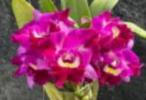 | Rlc. Pathom Fancy | 40 | $55.00 |  | $0.00
32 | 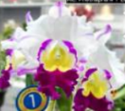 | Rlc. Petchnapha # 1 'Elsa' | 40 | $55.00 |  | $0.00
33 | 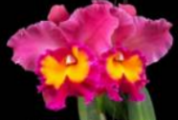 | Rlc. Phet Wangnamkhiew | 100 | $55.00 |  | $0.00
34 | 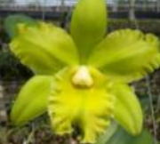 | Rlc. Prada Green Deluxe | 40 | $55.00 |  | $0.00
35 | 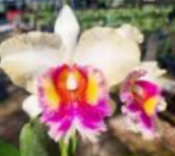 | Rlc. River Kwai Smile | 40 | $55.00 |  | $0.00
36 | 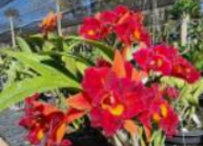 | Rlc. River Kwai Surprise | 40 | $55.00 |  | $0.00
37 | 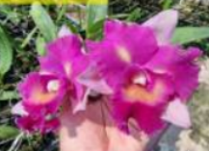 | Rlc. Rungnapha Fancy # 2 -Pink Splashes | 40 | $55.00 |  | $0.00
38 | 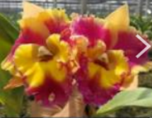 | Rlc. Rungnapha Fancy # 3 'Warm Welcome' | 40 | $55.00 |  | $0.00
39 | 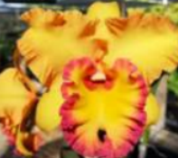 | Rlc. Samphran Gold | 40 | $55.00 |  | $0.00
40 | 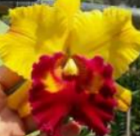 | Rlc. Shinfong Anger | 60 | $55.00 |  | $0.00
41 | 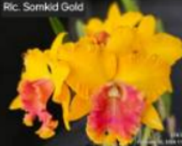 | Rlc. Somkid Gold 'Kelly & Natasha' | 40 | $55.00 |  | $0.00
42 | 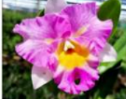 | Rlc. Haadyai Delight x C. Mary's Song | 40 | $55.00 |  | $0.00
43 |  | Rlc. Village Chief Headache | 40 | $55.00 |  | $0.00
44 |  | Rlc. Taiwan Fantasy | 100 | $55.00 |  | $0.00
45 |  | Rlc. Thaksina Rose | 40 | $55.00 |  | $0.00
46 |  | Rlc. Werawut Song = Mem. Tiang x C. Mary Song | 40 | $55.00 |  | $0.00
47 | 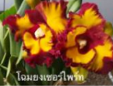 | Rth. Chomyong Surprise | 100 | $55.00 |  | $0.00
48 | 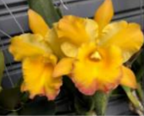 | Rth. Moon Star | 100 | $55.00 |  | $0.00
49 | 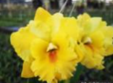 | Rth. Nell Hammer ' Payom' | 100 | $55.00 |  | $0.00
50 | 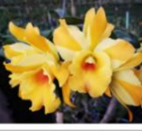 | Rth. Nell Hammer 'Suwan' | 60 | $55.00 |  | $0.00
51 | 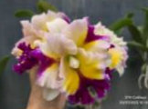 | Rth. Royal River Kwai | 60 | $55.00 |  | $0.00
52 | 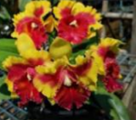 | Rth. Siam Fancy 'Wing of Fire' | 60 | $55.00 |  | $0.00
53 | 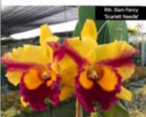 | Rth. Siam Fancy ' Scarlet Needle' | 40 | $55.00 |  | $0.00

